Field Analysis
▶ | MLB | Description
 | rows = 1015, columns = 7

Field Notes
▶

 |  | Name | Team | Position | Height | Weight | Age | PosCategory | Record Hash

Composition
▶

Summary Stats
▶

Percentiles
▶

Field Lists
▶

Compiled Lists
▶

 | Record List | Name | Team | Position | Height | Weight | Age | PosCategory | Record Hash
 | FALSE | Adam_Donachie | BAL | Catcher | 74 | 180 | 22.99 | Catcher | 2.3463682121E+18
 | FALSE | Paul_Bako | BAL | Catcher | 74 | 215 | 34.69 | Catcher | 1.6521627097E+19
 | FALSE | Ramon_Hernandez | BAL | Catcher | 72 | 210 | 30.78 | Catcher | 1.472429204E+19
 | FALSE | Kevin_Millar | BAL | First_Baseman | 72 | 210 | 35.43 | Infielder | 1.7103069504E+19
 | FALSE | Chris_Gomez | BAL | First_Baseman | 73 | 188 | 35.71 | Infielder | 1.0267211234E+18
 | FALSE | Brian_Roberts | BAL | Second_Baseman | 69 | 176 | 29.39 | Infielder | 7.0674459646E+18
 | FALSE | Miguel_Tejada | BAL | Shortstop | 69 | 209 | 30.77 | Infielder | 2.5894163211E+18
 | FALSE | Melvin_Mora | BAL | Third_Baseman | 71 | 200 | 35.07 | Infielder | 1.2046933319E+19
 | FALSE | Aubrey_Huff | BAL | Third_Baseman | 76 | 231 | 30.19 | Infielder | 2.1941886652E+18
 | FALSE | Adam_Stern | BAL | Outfielder | 71 | 180 | 27.05 | Outfielder | 1.5087016325E+19
 | FALSE | Jeff_Fiorentino | BAL | Outfielder | 73 | 188 | 23.88 | Outfielder | 1.1613535379E+19
 | FALSE | Freddie_Bynum | BAL | Outfielder | 73 | 180 | 26.96 | Outfielder | 1.4808785018E+17
 | FALSE | Nick_Markakis | BAL | Outfielder | 74 | 185 | 23.29 | Outfielder | 3.9073423081E+18
 | FALSE | Brandon_Fahey | BAL | Outfielder | 74 | 160 | 26.11 | Outfielder | 7.5645182315E+17
 | FALSE | Corey_Patterson | BAL | Outfielder | 69 | 180 | 27.55 | Outfielder | 1.4691098028E+19
 | FALSE | Jay_Payton | BAL | Outfielder | 70 | 185 | 34.27 | Outfielder | 1.437779965E+19
 | FALSE | Erik_Bedard | BAL | Starting_Pitcher | 73 | 189 | 27.99 | Pitcher | 4.2035400026E+18
 | FALSE | Hayden_Penn | BAL | Starting_Pitcher | 75 | 185 | 22.38 | Pitcher | 2.67447451E+18
 | FALSE | Adam_Loewen | BAL | Starting_Pitcher | 78 | 219 | 22.89 | Pitcher | 1.6376236138E+18
 | FALSE | Daniel_Cabrera | BAL | Starting_Pitcher | 79 | 230 | 25.76 | Pitcher | 1.5820163843E+19
 | FALSE | Steve_Trachsel | BAL | Starting_Pitcher | 76 | 205 | 36.33 | Pitcher | 7.7356126523E+18
 | FALSE | Jaret_Wright | BAL | Starting_Pitcher | 74 | 230 | 31.17 | Pitcher | 1.1109129359E+19
 | FALSE | Kris_Benson | BAL | Starting_Pitcher | 76 | 195 | 32.31 | Pitcher | 1.0871133356E+19
 | FALSE | Scott_Williamson | BAL | Relief_Pitcher | 72 | 180 | 31.03 | Pitcher | 1.1922028404E+19
 | FALSE | John_Parrish | BAL | Relief_Pitcher | 71 | 192 | 29.26 | Pitcher | 3.4998741098E+18
 | FALSE | Danys_Baez | BAL | Relief_Pitcher | 75 | 225 | 29.47 | Pitcher | 3.045711501E+18
 | FALSE | Chad_Bradford | BAL | Relief_Pitcher | 77 | 203 | 32.46 | Pitcher | 1.6366626308E+19
 | FALSE | Jamie_Walker | BAL | Relief_Pitcher | 74 | 195 | 35.67 | Pitcher | 1.6841453494E+19
 | FALSE | Brian_Burres | BAL | Relief_Pitcher | 73 | 182 | 25.89 | Pitcher | 1.4091743655E+19
 | FALSE | Kurt_Birkins | BAL | Relief_Pitcher | 74 | 188 | 26.55 | Pitcher | 1.6920505071E+19
 | FALSE | James_Hoey | BAL | Relief_Pitcher | 78 | 200 | 24.17 | Pitcher | 1.610886812E+19
 | FALSE | Sendy_Rleal | BAL | Relief_Pitcher | 73 | 180 | 26.69 | Pitcher | 1.6413506572E+18
 | FALSE | Chris_Ray | BAL | Relief_Pitcher | 75 | 200 | 25.13 | Pitcher | 5.712737453E+18
 | FALSE | Jeremy_Guthrie | BAL | Relief_Pitcher | 73 | 200 | 27.9 | Pitcher | 1.503679279E+19
 | FALSE | A.J._Pierzynski | CWS | Catcher | 75 | 245 | 30.17 | Catcher | 6.1171479443E+18
 | FALSE | Toby_Hall | CWS | Catcher | 75 | 240 | 31.36 | Catcher | 1.6682493639E+19
 | FALSE | Paul_Konerko | CWS | First_Baseman | 74 | 215 | 30.99 | Infielder | 3.4906870203E+18
 | FALSE | Tadahito_Iguchi | CWS | Second_Baseman | 69 | 185 | 32.24 | Infielder | 1.7002731028E+19
 | FALSE | Juan_Uribe | CWS | Shortstop | 71 | 175 | 27.61 | Infielder | 1.5884355093E+19
 | FALSE | Alex_Cintron | CWS | Shortstop | 74 | 199 | 28.2 | Infielder | 5.8901107728E+18
 | FALSE | Joe_Crede | CWS | Third_Baseman | 73 | 200 | 28.85 | Infielder | 3.1554532337E+18
 | FALSE | Josh_Fields | CWS | Third_Baseman | 73 | 215 | 24.21 | Infielder | 5.6219285655E+18
 | FALSE | Ryan_Sweeney | CWS | Outfielder | 76 | 200 | 22.02 | Outfielder | 5.4099197697E+18
 | FALSE | Brian_N._Anderson | CWS | Outfielder | 74 | 205 | 24.97 | Outfielder | 1.4426147255E+19
 | FALSE | Luis_Terrero | CWS | Outfielder | 74 | 206 | 26.78 | Outfielder | 5.5014438173E+16
 | FALSE | Pablo_Ozuna | CWS | Outfielder | 70 | 186 | 32.51 | Outfielder | 7.2136851721E+17
 | FALSE | Scott_Podsednik | CWS | Outfielder | 72 | 188 | 30.95 | Outfielder | 1.1633016613E+18
 | FALSE | Jermaine_Dye | CWS | Outfielder | 77 | 220 | 33.09 | Outfielder | 3.2716267374E+18
 | FALSE | Darin_Erstad | CWS | Outfielder | 74 | 210 | 32.74 | Outfielder | 1.6738013555E+19
 | FALSE | Rob_Mackowiak | CWS | Outfielder | 70 | 195 | 30.69 | Outfielder | 4.018780876E+18
 | FALSE | Charlie_Haeger | CWS | Starting_Pitcher | 73 | 200 | 23.45 | Pitcher | 1.2479550503E+19
 | FALSE | Heath_Phillips | CWS | Starting_Pitcher | 75 | 200 | 24.94 | Pitcher | 9.1411670762E+18
 | FALSE | Gavin_Floyd | CWS | Starting_Pitcher | 76 | 212 | 24.09 | Pitcher | 6.0411877352E+18
 | FALSE | Jose_Contreras | CWS | Starting_Pitcher | 76 | 224 | 35.23 | Pitcher | 6.7475569152E+16
 | FALSE | Jon_Garland | CWS | Starting_Pitcher | 78 | 210 | 27.43 | Pitcher | 9.1478662029E+18
 | FALSE | Javier_Vazquez | CWS | Starting_Pitcher | 74 | 205 | 30.6 | Pitcher | 1.2739897597E+19
 | FALSE | Mark_Buehrle | CWS | Starting_Pitcher | 74 | 220 | 27.94 | Pitcher | 3.8780562168E+18
 | FALSE | Mike_MacDougal | CWS | Relief_Pitcher | 76 | 195 | 29.99 | Pitcher | 6.6587082525E+18
 | FALSE | David_Aardsma | CWS | Relief_Pitcher | 77 | 200 | 25.17 | Pitcher | 7.8784931005E+18
 | FALSE | Andrew_Sisco | CWS | Relief_Pitcher | 81 | 260 | 24.13 | Pitcher | 3.1239941208E+18
 | FALSE | Matt_Thornton | CWS | Relief_Pitcher | 78 | 228 | 30.46 | Pitcher | 1.0062760723E+19
 | FALSE | Bobby_Jenks | CWS | Relief_Pitcher | 75 | 270 | 25.96 | Pitcher | 1.6689410664E+18
 | FALSE | Boone_Logan | CWS | Relief_Pitcher | 77 | 200 | 22.55 | Pitcher | 1.2690890461E+19
 | FALSE | Sean_Tracey | CWS | Relief_Pitcher | 75 | 210 | 26.29 | Pitcher | 6.1815988802E+18
 | FALSE | Nick_Masset | CWS | Relief_Pitcher | 76 | 190 | 24.79 | Pitcher | 1.3714394683E+19
 | FALSE | Jose_Molina | ANA | Catcher | 74 | 220 | 31.74 | Catcher | 9.8506326767E+18
 | FALSE | Jeff_Mathis | ANA | Catcher | 72 | 180 | 23.92 | Catcher | 6.7665223982E+18
 | FALSE | Mike_Napoli | ANA | Catcher | 72 | 205 | 25.33 | Catcher | 9.4597753464E+18
 | FALSE | Casey_Kotchman | ANA | First_Baseman | 75 | 210 | 24.02 | Infielder | 9.4134177415E+18
 | FALSE | Kendry_Morales | ANA | First_Baseman | 73 | 220 | 23.7 | Infielder | 5.2760880227E+18
 | FALSE | Shea_Hillenbrand | ANA | First_Baseman | 73 | 211 | 31.59 | Infielder | 4.0397103757E+18
 | FALSE | Robb_Quinlan | ANA | First_Baseman | 73 | 200 | 29.95 | Infielder | 9.8051821E+18
 | FALSE | Howie_Kendrick | ANA | First_Baseman | 70 | 180 | 23.64 | Infielder | 1.0310333129E+19
 | FALSE | Orlando_Cabrera | ANA | Shortstop | 70 | 190 | 32.33 | Infielder | 1.343909591E+19
 | FALSE | Erick_Aybar | ANA | Shortstop | 70 | 170 | 23.13 | Infielder | 1.2981062896E+19
 | FALSE | Dallas_McPherson | ANA | Third_Baseman | 76 | 230 | 26.6 | Infielder | 1.1641293994E+19
 | FALSE | Maicer_Izturis | ANA | Third_Baseman | 68 | 155 | 26.46 | Infielder | 2.2166793633E+18
 | FALSE | Reggie_Willits | ANA | Outfielder | 71 | 185 | 25.75 | Outfielder | 1.3459568302E+19
 | FALSE | Tommy_Murphy | ANA | Outfielder | 72 | 185 | 27.51 | Outfielder | 1.263614398E+19
 | FALSE | Terry_Evans | ANA | Outfielder | 75 | 200 | 25.11 | Outfielder | 2.4374609053E+18
 | FALSE | Gary_Matthews_Jr. | ANA | Outfielder | 75 | 225 | 32.51 | Outfielder | 7.58115684E+18
 | FALSE | Garret_Anderson | ANA | Outfielder | 75 | 225 | 34.67 | Outfielder | 8.9741306823E+18
 | FALSE | Vladimir_Guerrero | ANA | Outfielder | 75 | 220 | 31.06 | Outfielder | 1.6320698795E+19
 | FALSE | Chone_Figgins | ANA | Outfielder | 68 | 160 | 29.1 | Outfielder | 6.1563376043E+18
 | FALSE | Juan_Rivera | ANA | Outfielder | 74 | 205 | 28.66 | Outfielder | 1.4285090516E+19
 | FALSE | John_Lackey | ANA | Starting_Pitcher | 78 | 235 | 28.35 | Pitcher | 1.7905074549E+19
 | FALSE | Bartolo_Colon | ANA | Starting_Pitcher | 71 | 250 | 33.77 | Pitcher | 9.6323736914E+18
 | FALSE | Kelvim_Escobar | ANA | Starting_Pitcher | 73 | 210 | 30.89 | Pitcher | 4.8449247732E+18
 | FALSE | Dustin_Moseley | ANA | Starting_Pitcher | 76 | 190 | 37.74 | Pitcher | 4.9868422839E+18
 | FALSE | Ervin_Santana | ANA | Starting_Pitcher | 74 | 160 | 24.14 | Pitcher | 1.2452256129E+19
 | FALSE | Joe_Saunders | ANA | Starting_Pitcher | 74 | 200 | 25.71 | Pitcher | 1.3456233412E+19
 | FALSE | Jered_Weaver | ANA | Starting_Pitcher | 79 | 205 | 24.41 | Pitcher | 7.1601532181E+18
 | FALSE | Chris_Resop | ANA | Relief_Pitcher | 75 | 222 | 24.32 | Pitcher | 8.8052312598E+18
 | FALSE | Phil_Seibel | ANA | Relief_Pitcher | 73 | 195 | 28.09 | Pitcher | 1.6894741022E+19
 | FALSE | Justin_Speier | ANA | Relief_Pitcher | 76 | 205 | 33.31 | Pitcher | 1.0606101504E+19
 | FALSE | Darren_Oliver | ANA | Relief_Pitcher | 74 | 220 | 36.4 | Pitcher | 1.1838605101E+19
 | FALSE | Hector_Carrasco | ANA | Relief_Pitcher | 74 | 220 | 37.36 | Pitcher | 1.221790273E+19
 | FALSE | Scot_Shields | ANA | Relief_Pitcher | 73 | 170 | 31.61 | Pitcher | 5.7350783627E+18
 | FALSE | Francisco_Rodriguez | ANA | Relief_Pitcher | 72 | 185 | 25.14 | Pitcher | 3.3499131E+18
 | FALSE | Greg_Jones | ANA | Relief_Pitcher | 74 | 195 | 30.29 | Pitcher | 6.264204435E+18
 | FALSE | Doug_Mirabelli | BOS | Catcher | 73 | 220 | 36.37 | Catcher | 6.9201795245E+18
 | FALSE | Jason_Varitek | BOS | Catcher | 74 | 230 | 34.89 | Catcher | 1.2576074433E+19
 | FALSE | George_Kottaras | BOS | Catcher | 72 | 180 | 23.79 | Catcher | 1.3648968016E+19
 | FALSE | Kevin_Youkilis | BOS | First_Baseman | 73 | 220 | 27.96 | Infielder | 3.4524954477E+18
 | FALSE | Dustin_Pedroia | BOS | Second_Baseman | 69 | 180 | 23.54 | Infielder | 4.603439822E+18
 | FALSE | Alex_Cora | BOS | Shortstop | 72 | 180 | 31.37 | Infielder | 9.5979138963E+18
 | FALSE | Julio_Lugo | BOS | Shortstop | 73 | 170 | 31.29 | Infielder | 8.7692050451E+17
 | FALSE | Mike_Lowell | BOS | Third_Baseman | 75 | 210 | 33.01 | Infielder | 1.0249952671E+19
 | FALSE | Wily_Mo_Pe?a | BOS | Outfielder | 75 | 215 | 25.1 | Outfielder | 3.0194998646E+18
 | FALSE | J.D._Drew | BOS | Outfielder | 73 | 200 | 31.28 | Outfielder | 9.9529754349E+18
 | FALSE | Manny_Ramirez | BOS | Outfielder | 72 | 213 | 34.75 | Outfielder | 1.3406109223E+19
 | FALSE | Brandon_Moss | BOS | Outfielder | 72 | 180 | 23.46 | Outfielder | 3.0508766549E+18
 | FALSE | David_Murphy | BOS | Outfielder | 76 | 192 | 25.37 | Outfielder | 1.3998281616E+16
 | FALSE | Eric_Hinske | BOS | Outfielder | 74 | 235 | 29.57 | Outfielder | 1.3869609945E+19
 | FALSE | Coco_Crisp | BOS | Outfielder | 72 | 185 | 27.33 | Outfielder | 6.6769840903E+18
 | FALSE | Curt_Schilling | BOS | Starting_Pitcher | 77 | 235 | 40.29 | Pitcher | 1.4727651495E+19
 | FALSE | Tim_Wakefield | BOS | Starting_Pitcher | 74 | 210 | 40.58 | Pitcher | 1.0409463712E+18
 | FALSE | Josh_Beckett | BOS | Starting_Pitcher | 77 | 222 | 26.79 | Pitcher | 3.7312991425E+16
 | FALSE | Matt_Clement | BOS | Starting_Pitcher | 75 | 210 | 32.55 | Pitcher | 1.7185827601E+18
 | FALSE | Jonathan_Papelbon | BOS | Starting_Pitcher | 76 | 230 | 26.27 | Pitcher | 4.2520082762E+18
 | FALSE | Kyle_Snyder | BOS | Starting_Pitcher | 80 | 220 | 29.47 | Pitcher | 1.5669177078E+19
 | FALSE | Devern_Hansack | BOS | Starting_Pitcher | 74 | 180 | 29.07 | Pitcher | 1.4577158218E+19
 | FALSE | Jon_Lester | BOS | Starting_Pitcher | 74 | 190 | 23.15 | Pitcher | 2.1204121405E+18
 | FALSE | Kason_Gabbard | BOS | Starting_Pitcher | 75 | 200 | 24.9 | Pitcher | 5.2885081995E+18
 | FALSE | Craig_Hansen | BOS | Relief_Pitcher | 78 | 210 | 23.29 | Pitcher | 9.7017833834E+18
 | FALSE | Hideki_Okajima | BOS | Relief_Pitcher | 73 | 194 | 31.18 | Pitcher | 1.0999538952E+19
 | FALSE | Craig_Breslow | BOS | Relief_Pitcher | 73 | 180 | 26.56 | Pitcher | 1.6395034303E+19
 | FALSE | Manny_Delcarmen | BOS | Relief_Pitcher | 74 | 190 | 25.03 | Pitcher | 3.767724425E+18
 | FALSE | Brendan_Donnelly | BOS | Relief_Pitcher | 75 | 240 | 35.66 | Pitcher | 1.4698382229E+19
 | FALSE | Javier_Lopez | BOS | Relief_Pitcher | 76 | 200 | 29.64 | Pitcher | 1.1681007305E+19
 | FALSE | J.C._Romero | BOS | Relief_Pitcher | 71 | 198 | 30.74 | Pitcher | 1.5036485804E+19
 | FALSE | Joel_Pineiro | BOS | Relief_Pitcher | 73 | 200 | 28.43 | Pitcher | 6.5819051937E+18
 | FALSE | Julian_Tavarez | BOS | Relief_Pitcher | 74 | 195 | 33.77 | Pitcher | 1.5352663181E+19
 | FALSE | Mike_Timlin | BOS | Relief_Pitcher | 76 | 210 | 40.97 | Pitcher | 9.1806856204E+18
 | FALSE | Nick_DeBarr | BOS | Relief_Pitcher | 76 | 220 | 23.52 | Pitcher | 6.1857116504E+18
 | FALSE | Victor_Martinez | CLE | Catcher | 74 | 190 | 28.19 | Catcher | 8.6406437335E+18
 | FALSE | Kelly_Shoppach | CLE | Catcher | 73 | 210 | 26.84 | Catcher | 8.9199977993E+17
 | FALSE | Ryan_Garko | CLE | First_Baseman | 74 | 225 | 26.16 | Infielder | 7.7255819478E+18
 | FALSE | Joe_Inglett | CLE | Second_Baseman | 70 | 180 | 28.67 | Infielder | 1.2264717503E+19
 | FALSE | Josh_Barfield | CLE | Second_Baseman | 72 | 185 | 24.2 | Infielder | 1.7854246835E+19
 | FALSE | Hector_Luna | CLE | Second_Baseman | 73 | 170 | 27.08 | Infielder | 1.7190312225E+18
 | FALSE | Jhonny_Peralta | CLE | Shortstop | 73 | 185 | 24.76 | Infielder | 7.3804779924E+18
 | FALSE | Andy_Marte | CLE | Third_Baseman | 73 | 185 | 23.36 | Infielder | 8.9371359712E+18
 | FALSE | Ben_Francisco | CLE | Outfielder | 73 | 180 | 25.35 | Outfielder | 8.2369948012E+17
 | FALSE | Shin-Soo_Choo | CLE | Outfielder | 71 | 178 | 24.63 | Outfielder | 1.4996721162E+18
 | FALSE | Franklin_Gutierrez | CLE | Outfielder | 74 | 175 | 24.02 | Outfielder | 9.0281143697E+18
 | FALSE | Grady_Sizemore | CLE | Outfielder | 74 | 200 | 24.58 | Outfielder | 6.2967403179E+18
 | FALSE | Jason_Michaels | CLE | Outfielder | 72 | 204 | 30.82 | Outfielder | 6.0624791677E+18
 | FALSE | Trot_Nixon | CLE | Outfielder | 74 | 211 | 32.89 | Outfielder | 5.1858057125E+18
 | FALSE | David_Dellucci | CLE | Outfielder | 71 | 190 | 33.33 | Outfielder | 7.872648842E+18
 | FALSE | Casey_Blake | CLE | Outfielder | 74 | 210 | 33.52 | Outfielder | 5.4361506333E+18
 | FALSE | Paul_Byrd | CLE | Starting_Pitcher | 73 | 190 | 36.24 | Pitcher | 3.2013266865E+18
 | FALSE | Cliff_Lee | CLE | Starting_Pitcher | 75 | 190 | 28.5 | Pitcher | 8.6887834931E+18
 | FALSE | Jake_Westbrook | CLE | Starting_Pitcher | 75 | 185 | 29.42 | Pitcher | 9.8918494938E+18
 | FALSE | C.C._Sabathia | CLE | Starting_Pitcher | 79 | 290 | 26.61 | Pitcher | 1.065469392E+19
 | FALSE | Jeremy_Sowers | CLE | Starting_Pitcher | 73 | 175 | 23.79 | Pitcher | 9.9821385024E+18
 | FALSE | Rafael_Perez | CLE | Relief_Pitcher | 75 | 185 | 24.96 | Pitcher | 7.5552951205E+18
 | FALSE | Brian_Slocum | CLE | Relief_Pitcher | 76 | 200 | 25.93 | Pitcher | 4.2984174581E+18
 | FALSE | Edward_Mujica | CLE | Relief_Pitcher | 74 | 220 | 22.81 | Pitcher | 1.3418024822E+19
 | FALSE | Fernando_Cabrera | CLE | Relief_Pitcher | 76 | 170 | 25.29 | Pitcher | 1.7050100095E+19
 | FALSE | Tom_Mastny | CLE | Relief_Pitcher | 78 | 220 | 26.07 | Pitcher | 1.6377067714E+18
 | FALSE | Juan_Lara | CLE | Relief_Pitcher | 74 | 190 | 26.09 | Pitcher | 1.1097067916E+19
 | FALSE | Fausto_Carmona | CLE | Relief_Pitcher | 76 | 220 | 23.23 | Pitcher | 8.1026247989E+18
 | FALSE | Aaron_Fultz | CLE | Relief_Pitcher | 72 | 205 | 33.49 | Pitcher | 1.4463213116E+18
 | FALSE | Rafael_Betancourt | CLE | Relief_Pitcher | 74 | 200 | 31.84 | Pitcher | 6.8068591372E+18
 | FALSE | Roberto_Hernandez | CLE | Relief_Pitcher | 76 | 250 | 42.3 | Pitcher | 2.7012715064E+18
 | FALSE | Joe_Borowski | CLE | Relief_Pitcher | 74 | 225 | 35.82 | Pitcher | 1.3995050588E+18
 | FALSE | Matt_Miller | CLE | Relief_Pitcher | 75 | 215 | 35.27 | Pitcher | 1.4032456392E+19
 | FALSE | Jason_Davis | CLE | Relief_Pitcher | 78 | 210 | 26.81 | Pitcher | 1.7385416645E+19
 | FALSE | Mike_Piazza | OAK | Catcher | 75 | 215 | 38.49 | Catcher | 3.4981323058E+18
 | FALSE | Jason_Kendall | OAK | Catcher | 72 | 195 | 32.68 | Catcher | 5.325455917E+18
 | FALSE | Adam_Melhuse | OAK | Catcher | 74 | 200 | 34.93 | Catcher | 1.2005269516E+19
 | FALSE | Nick_Swisher | OAK | First_Baseman | 72 | 194 | 26.26 | Infielder | 1.026468818E+19
 | FALSE | Dan_Johnson | OAK | First_Baseman | 74 | 220 | 27.56 | Infielder | 7.5092058041E+18
 | FALSE | Donald_Murphy | OAK | Second_Baseman | 70 | 180 | 23.98 | Infielder | 1.4901984292E+19
 | FALSE | Mark_Ellis | OAK | Second_Baseman | 71 | 180 | 29.73 | Infielder | 1.1400233903E+19
 | FALSE | Marco_Scutaro | OAK | Shortstop | 70 | 170 | 31.33 | Infielder | 4.6623263947E+18
 | FALSE | Bobby_Crosby | OAK | Shortstop | 75 | 195 | 27.13 | Infielder | 1.5219081529E+19
 | FALSE | Mark_Kiger | OAK | Shortstop | 71 | 180 | 26.75 | Infielder | 1.5343080241E+19
 | FALSE | Antonio_Perez | OAK | Third_Baseman | 71 | 170 | 27.09 | Infielder | 1.8114832303E+19
 | FALSE | Eric_Chavez | OAK | Third_Baseman | 73 | 206 | 29.23 | Infielder | 4.7289440771E+17
 | FALSE | Milton_Bradley | OAK | Outfielder | 72 | 205 | 28.88 | Outfielder | 6.8166346439E+18
 | FALSE | Shannon_Stewart | OAK | Outfielder | 71 | 200 | 33.01 | Outfielder | 7.6597812998E+18
 | FALSE | Bobby_Kielty | OAK | Outfielder | 73 | 225 | 30.57 | Outfielder | 1.150719285E+18
 | FALSE | Mark_Kotsay | OAK | Outfielder | 72 | 201 | 31.24 | Outfielder | 7.2557364899E+18
 | FALSE | Ryan_Goleski | OAK | Outfielder | 75 | 225 | 24.95 | Outfielder | 2.5833789834E+17
 | FALSE | Jason_Windsor | OAK | Starting_Pitcher | 74 | 233 | 24.62 | Pitcher | 1.0791183039E+19
 | FALSE | David_Shafer | OAK | Starting_Pitcher | 74 | 180 | 24.98 | Pitcher | 1.4609589261E+18
 | FALSE | Joe_Blanton | OAK | Starting_Pitcher | 75 | 225 | 26.22 | Pitcher | 2.8083989101E+18
 | FALSE | Brad_Halsey | OAK | Starting_Pitcher | 73 | 180 | 26.04 | Pitcher | 2.8847253364E+18
 | FALSE | Dan_Haren | OAK | Starting_Pitcher | 77 | 220 | 26.45 | Pitcher | 4.4552205625E+18
 | FALSE | Rich_Harden | OAK | Starting_Pitcher | 73 | 180 | 25.25 | Pitcher | 1.6836122054E+19
 | FALSE | Joe_Kennedy | OAK | Starting_Pitcher | 76 | 237 | 27.77 | Pitcher | 2.8825720426E+16
 | FALSE | Esteban_Loaiza | OAK | Starting_Pitcher | 75 | 215 | 35.16 | Pitcher | 1.8045188547E+19
 | FALSE | Alan_Embree | OAK | Relief_Pitcher | 74 | 190 | 37.1 | Pitcher | 1.851775006E+18
 | FALSE | Jay_Witasick | OAK | Relief_Pitcher | 76 | 235 | 34.51 | Pitcher | 1.5668019423E+19
 | FALSE | Justin_Duchscherer | OAK | Relief_Pitcher | 75 | 190 | 29.28 | Pitcher | 1.5916101434E+19
 | FALSE | Kiko_Calero | OAK | Relief_Pitcher | 73 | 180 | 32.14 | Pitcher | 1.54178451E+19
 | FALSE | Chad_Gaudin | OAK | Relief_Pitcher | 71 | 165 | 23.94 | Pitcher | 1.3859158159E+19
 | FALSE | Lenny_DiNardo | OAK | Relief_Pitcher | 76 | 195 | 27.45 | Pitcher | 1.7733789001E+19
 | FALSE | Scott_Dunn | OAK | Relief_Pitcher | 75 | 200 | 28.77 | Pitcher | 1.3976990069E+19
 | FALSE | Huston_Street | OAK | Relief_Pitcher | 72 | 190 | 23.58 | Pitcher | 1.5230212739E+19
 | FALSE | Ron_Flores | OAK | Relief_Pitcher | 71 | 190 | 27.56 | Pitcher | 1.2552594626E+19
 | FALSE | Jay_Marshall | OAK | Relief_Pitcher | 77 | 185 | 24.01 | Pitcher | 5.7731338774E+18
 | FALSE | Marcus_McBeth | OAK | Relief_Pitcher | 73 | 185 | 26.52 | Pitcher | 1.6061231689E+19
 | FALSE | Jorge_Posada | NYY | Catcher | 74 | 205 | 35.54 | Catcher | 4.9795198779E+18
 | FALSE | Wil_Nieves | NYY | Catcher | 71 | 190 | 29.43 | Catcher | 5.3998163451E+18
 | FALSE | Andy_Phillips | NYY | First_Baseman | 72 | 205 | 29.9 | Infielder | 7.4636324887E+18
 | FALSE | Doug_Mientkiewicz | NYY | First_Baseman | 74 | 206 | 32.7 | Infielder | 4.1076837758E+18
 | FALSE | Josh_Phelps | NYY | First_Baseman | 75 | 220 | 28.8 | Infielder | 6.8233767265E+18
 | FALSE | Miguel_Cairo | NYY | Second_Baseman | 73 | 208 | 32.82 | Infielder | 5.7275387139E+18
 | FALSE | Robinson_Cano | NYY | Second_Baseman | 72 | 170 | 24.36 | Infielder | 1.8328177753E+19
 | FALSE | Derek_Jeter | NYY | Shortstop | 75 | 195 | 32.68 | Infielder | 7.0900880661E+18
 | FALSE | Alex_Rodriguez | NYY | Third_Baseman | 75 | 210 | 31.59 | Infielder | 6.3142846918E+18
 | FALSE | Johnny_Damon | NYY | Outfielder | 74 | 190 | 33.32 | Outfielder | 1.2388062162E+19
 | FALSE | Bobby_Abreu | NYY | Outfielder | 72 | 211 | 32.97 | Outfielder | 1.0720784532E+19
 | FALSE | Hideki_Matsui | NYY | Outfielder | 74 | 230 | 32.72 | Outfielder | 2.5303492844E+18
 | FALSE | Melky_Cabrera | NYY | Outfielder | 71 | 170 | 22.55 | Outfielder | 1.1406574852E+19
 | FALSE | Kevin_Thompson | NYY | Outfielder | 70 | 185 | 27.45 | Outfielder | 8.1708505638E+18
 | FALSE | Mike_Mussina | NYY | Starting_Pitcher | 74 | 185 | 38.23 | Pitcher | 1.4705611443E+19
 | FALSE | Carl_Pavano | NYY | Starting_Pitcher | 77 | 241 | 31.14 | Pitcher | 1.6714431043E+19
 | FALSE | Andy_Pettitte | NYY | Starting_Pitcher | 77 | 225 | 34.71 | Pitcher | 1.6284319671E+19
 | FALSE | Darrell_Rasner | NYY | Starting_Pitcher | 75 | 210 | 26.13 | Pitcher | 2.2366631298E+18
 | FALSE | Jeff_Karstens | NYY | Starting_Pitcher | 75 | 175 | 24.43 | Pitcher | 1.6386297425E+19
 | FALSE | Humberto_Sanchez | NYY | Starting_Pitcher | 78 | 230 | 23.76 | Pitcher | 1.3764024891E+19
 | FALSE | Chien-Ming_Wang | NYY | Starting_Pitcher | 75 | 200 | 26.92 | Pitcher | 1.3567552943E+19
 | FALSE | Sean_Henn | NYY | Relief_Pitcher | 76 | 215 | 25.85 | Pitcher | 1.1416080481E+19
 | FALSE | Scott_Proctor | NYY | Relief_Pitcher | 73 | 198 | 30.16 | Pitcher | 1.0959473991E+19
 | FALSE | Brian_Bruney | NYY | Relief_Pitcher | 75 | 226 | 25.03 | Pitcher | 1.1687076412E+19
 | FALSE | Chris_Britton | NYY | Relief_Pitcher | 75 | 278 | 24.21 | Pitcher | 4.2997441311E+18
 | FALSE | T.J._Beam | NYY | Relief_Pitcher | 79 | 215 | 26.51 | Pitcher | 9.180140373E+18
 | FALSE | Jose_Veras | NYY | Relief_Pitcher | 77 | 230 | 26.36 | Pitcher | 1.5858684734E+19
 | FALSE | Kyle_Farnsworth | NYY | Relief_Pitcher | 76 | 240 | 30.88 | Pitcher | 1.3709340273E+19
 | FALSE | Luis_Vizcaino | NYY | Relief_Pitcher | 71 | 184 | 32.57 | Pitcher | 8.4024455309E+18
 | FALSE | Mike_Myers | NYY | Relief_Pitcher | 75 | 219 | 37.68 | Pitcher | 6.6620098263E+18
 | FALSE | Mariano_Rivera | NYY | Relief_Pitcher | 74 | 170 | 37.25 | Pitcher | 1.4399154933E+19
 | FALSE | Ivan_Rodriguez | DET | Catcher | 69 | 218 | 35.25 | Catcher | 1.4591607397E+19
 | FALSE | Vance_Wilson | DET | Catcher | 71 | 190 | 33.95 | Catcher | 2.5394501167E+18
 | FALSE | Sean_Casey | DET | First_Baseman | 76 | 225 | 32.66 | Infielder | 1.7481780048E+19
 | FALSE | Chris_Shelton | DET | First_Baseman | 72 | 220 | 26.68 | Infielder | 2.332187566E+18
 | FALSE | Omar_Infante | DET | Second_Baseman | 72 | 176 | 25.18 | Infielder | 7.0565512035E+18
 | FALSE | Placido_Polanco | DET | Second_Baseman | 70 | 190 | 31.39 | Infielder | 1.4929182123E+19
 | FALSE | Neifi_Perez | DET | Second_Baseman | 72 | 197 | 33.74 | Infielder | 1.1294140073E+19
 | FALSE | Carlos_Guillen | DET | Shortstop | 73 | 204 | 31.42 | Infielder | 1.8203271121E+19
 | FALSE | Ramon_Santiago | DET | Shortstop | 71 | 167 | 27.5 | Infielder | 2.7909171378E+18
 | FALSE | Tony_Giarratano | DET | Shortstop | 72 | 180 | 24.25 | Infielder | 4.2776218058E+18
 | FALSE | Brandon_Inge | DET | Third_Baseman | 71 | 195 | 29.78 | Infielder | 9.662988321E+18
 | FALSE | Craig_Monroe | DET | Outfielder | 73 | 220 | 30 | Outfielder | 1.1005277228E+19
 | FALSE | Magglio_Ordo?ez | DET | Outfielder | 72 | 215 | 33.09 | Outfielder | 1.4438300128E+19
 | FALSE | Curtis_Granderson | DET | Outfielder | 73 | 185 | 25.96 | Outfielder | 1.9470163519E+18
 | FALSE | Brent_Clevlen | DET | Outfielder | 74 | 190 | 23.34 | Outfielder | 2.7573547846E+18
 | FALSE | Marcus_Thames | DET | Outfielder | 74 | 205 | 29.98 | Outfielder | 1.8322459767E+18
 | FALSE | Gary_Sheffield | DET | Outfielder | 72 | 205 | 38.28 | Outfielder | 1.1745071498E+19
 | FALSE | Zach_Miner | DET | Starting_Pitcher | 75 | 200 | 24.97 | Pitcher | 1.8115643607E+19
 | FALSE | Jeremy_Bonderman | DET | Starting_Pitcher | 74 | 210 | 24.34 | Pitcher | 1.482638646E+19
...

Pair Plots
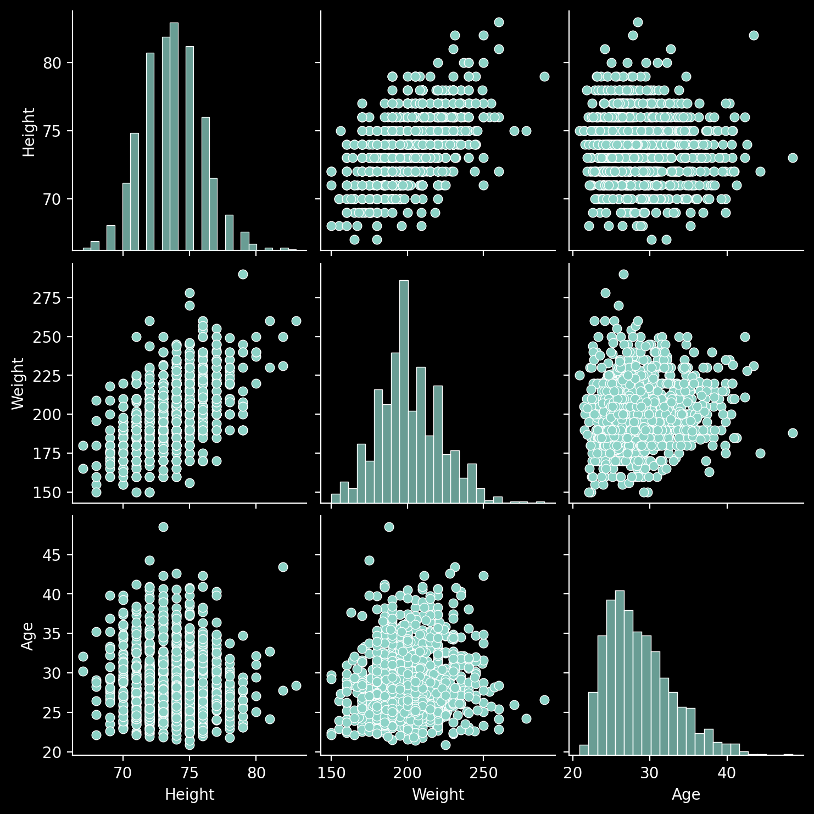
Pair Plots

Null Matrix
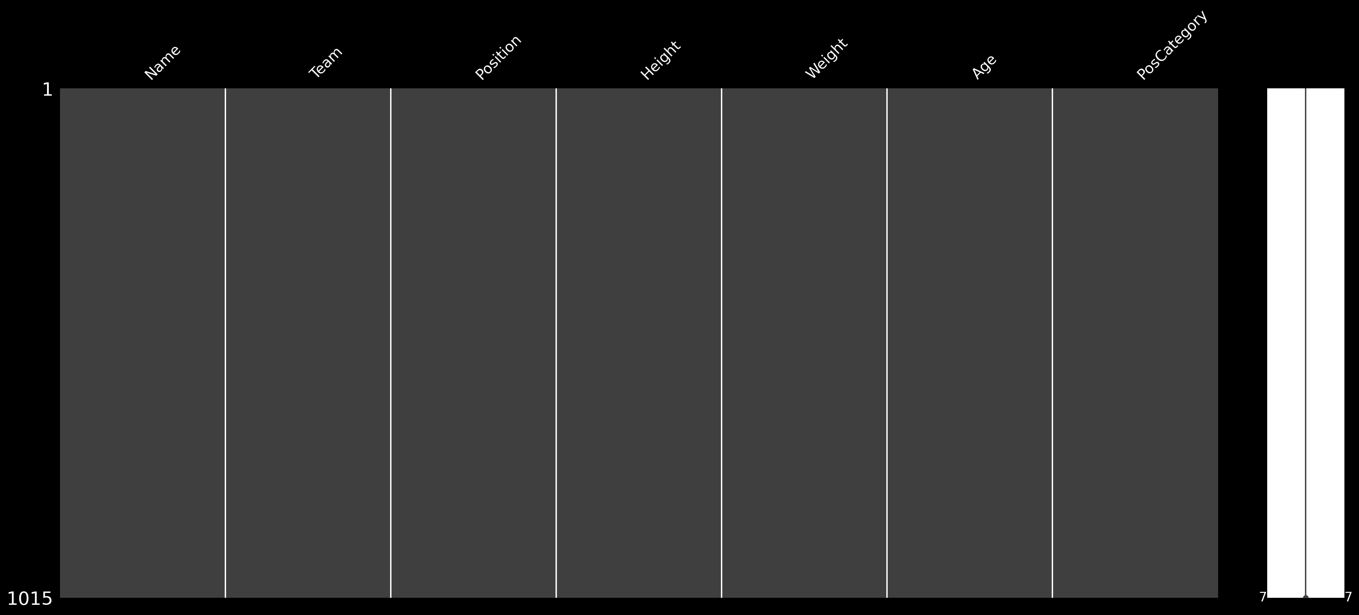
Null Matrix

